Sheet1
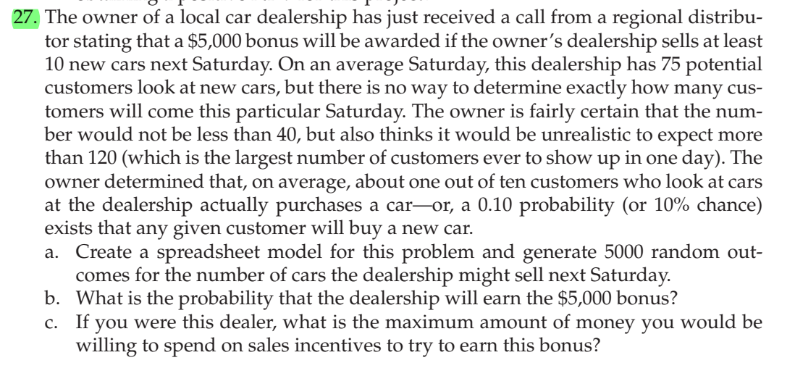
 |  | min | likely | max
Potential customers | 120 | 40 | 75 | 120

Probability of buying | 0.1

Actual buyers | 0

Number of buyers | 0

